Lab Report
 |  | Lab Report #5 |  | YOUR Name
 | Precipitation titration with silver nitrate |  |  |  | Unknown No.
 | Standardisation of Silver Nitrate Solution
FW of AgNO3 | 169.87 |  | FW of NaCl | 58.44
sample+tare(NaCl) | 0.1956
tare | 0
m(NaCl) | 0.1956 |  | Total volume | 500 | mL
V(aliquot)(mL) | 25
 | Dichlorofluoresceine titration |  |  | Chromate titration
 | sample 1 | sample 2 |  | sample 1 | sample 2
Titration V(AgNO3) | 7.3 | 7.35 |  | 7.4 | 7.5
 |  |  |  | Blank = | 0
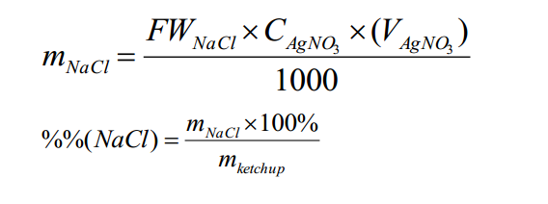
C(AgNO3)= | 0.022924812242 | 0.022768861138 |  | 0.022615017482 | 0.022313483915

average C(AgNO3)= |  | 0.022655543694 | "=AVERAGE(C16:J16)
standard deviation= |  | 0.00026076404406 | "=STDEV(C16:J16)
RSD1= |  | 0.011509944214 | "=D19/D18

Ketchup titration

Ketchup was obtained from
m(ketchup) | 0.2 | 0.21 | 0.2
C(AgNO3) | 0.022655543694 | 0.022655543694 | 0.022655543694

Titration V(AgNO3) | 3.7 | 4.1 | 4.05

m(NaCl) | 0.0048987629019 | 0.0054283588913 | 0.0053621593926
%(NaCl) | 2.45 | 2.58 | 2.68

 |  |  |  | Percentage of NaCl in sample is |  |  |  | 2.45 | +/- | 0.12
average %%(NaCl)= |  | 2.45
standard deviation= |  | 0.12 |  | Total RSD | 0.048898675803 | total error | 0.11977150949
RSD1= |  | 0.047524748074

